Sheet1
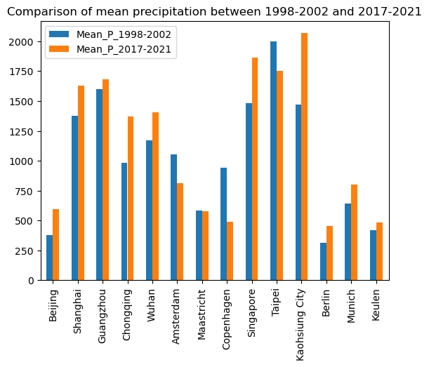
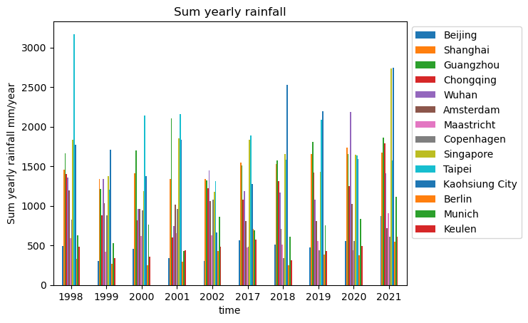
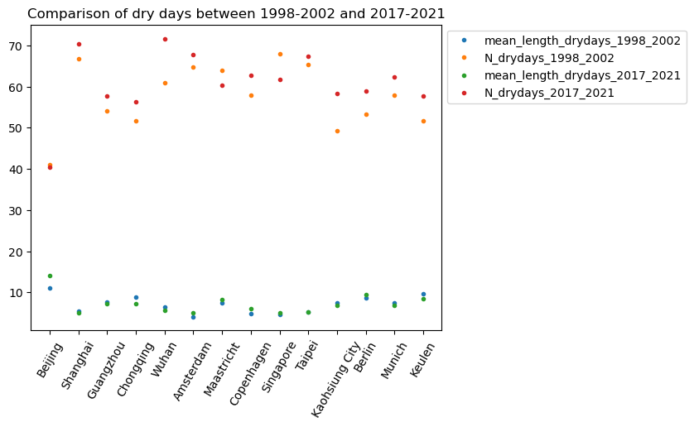
 | Mean_P_1998-2002 | Mean_P_2017-2021 | mean_length_drydays_1998_2002 | N_drydays_1998_2002 | mean_length_drydays_2017_2021 | N_drydays_2017_2021
Beijing | 378.24002075 | 593.94006348 | 10.974683544 | 41 | 14 | 40.333333333
Shanghai | 1376.5198975 | 1628.5198975 | 5.4666666667 | 66.666666667 | 5.109375 | 70.333333333
Guangzhou | 1601.119873 | 1680.6800537 | 7.7244897959 | 54 | 7.1509433962 | 57.666666667
Chongqing | 984.22003174 | 1368.1199951 | 8.752688172 | 51.666666667 | 7.2641509434 | 56.333333333
Wuhan | 1169.0600586 | 1404.8400879 | 6.3693693694 | 61 | 5.544 | 71.666666667
Amsterdam | 1052.3400879 | 813.40002441 | 4.125 | 64.666666667 | 5.0756302521 | 67.666666667
Maastricht | 581.97998047 | 577.40002441 | 7.3703703704 | 64 | 8.2571428571 | 60.333333333
Copenhagen | 939.22003174 | 487.13998413 | 4.8434782609 | 58 | 6.0325203252 | 62.666666667
Singapore | 1484.5001221 | 1861.4000244 | 4.6583333333 | 68 | 5.0166666667 | 61.666666667
Taipei | 1996.5400391 | 1753.2199707 | 5.1363636364 | 65.333333333 | 5.3220338983 | 67.333333333
Kaohsiung City | 1470.3400879 | 2067.2600098 | 7.4680851064 | 49.333333333 | 6.7706422018 | 58.333333333
Berlin | 314.76000977 | 453.20001221 | 8.6274509804 | 53.333333333 | 9.4226804124 | 59
Munich | 643.22003174 | 800.30004883 | 7.3564356436 | 58 | 6.7913043478 | 62.333333333
Keulen | 421.20001221 | 483.87997437 | 9.5652173913 | 51.666666667 | 8.4326923077 | 57.666666667

